Sheet1
Assignment - 1 | Display unique customer's as well as Employees FullName,Address,City,Region,PostalCode,Country,Phone whose name starts with character 'A'.

Query | Customers Table

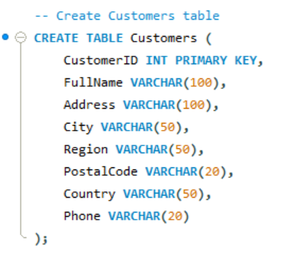

Query | Employees Table
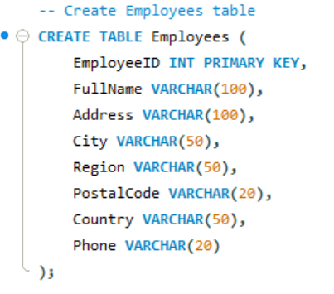

Execution

Output

Assignment - 2 | Display customer's as well as Employees FullName,Address,City,Region,PostalCode,Country,Phone who are living in india

Execution

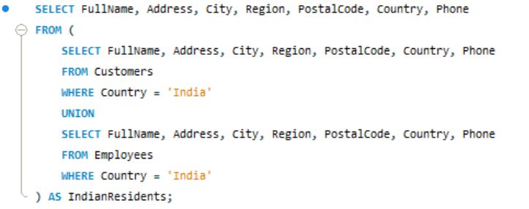

Output

